Report
CraftySouls Inc.
Summer Expense Report - Louise Jones

 | Accom. | Miles Traveled | Mileage Reimbursement | Meals | Entertain. | Other | Total
June | $2,095.00 | 536 | $134.00 | $640.00 | $152.00 | $77.00 | $3,098.00
July | $1,695.00 | 677 | $169.25 | $629.00 | $95.00 | $77.00 | $2,665.25
August | $1,695.00 | 723 | $180.75 | $640.00 | $135.00 | $77.00 | $2,727.75
 |  |  |  |  |  | Subtotal | $8,491.00
 |  |  |  |  |  | Less Advances | $(1,000.00)
 |  |  |  |  |  | Total Expenses | $7,491.00

Summer Expense Comparison
Average Accommodation | $1,828.33
Average Miles Traveled | 645
Minimum Accommodation | $1,695.00
Maximum Meals | $640.00

Gunnar Forcier

Email
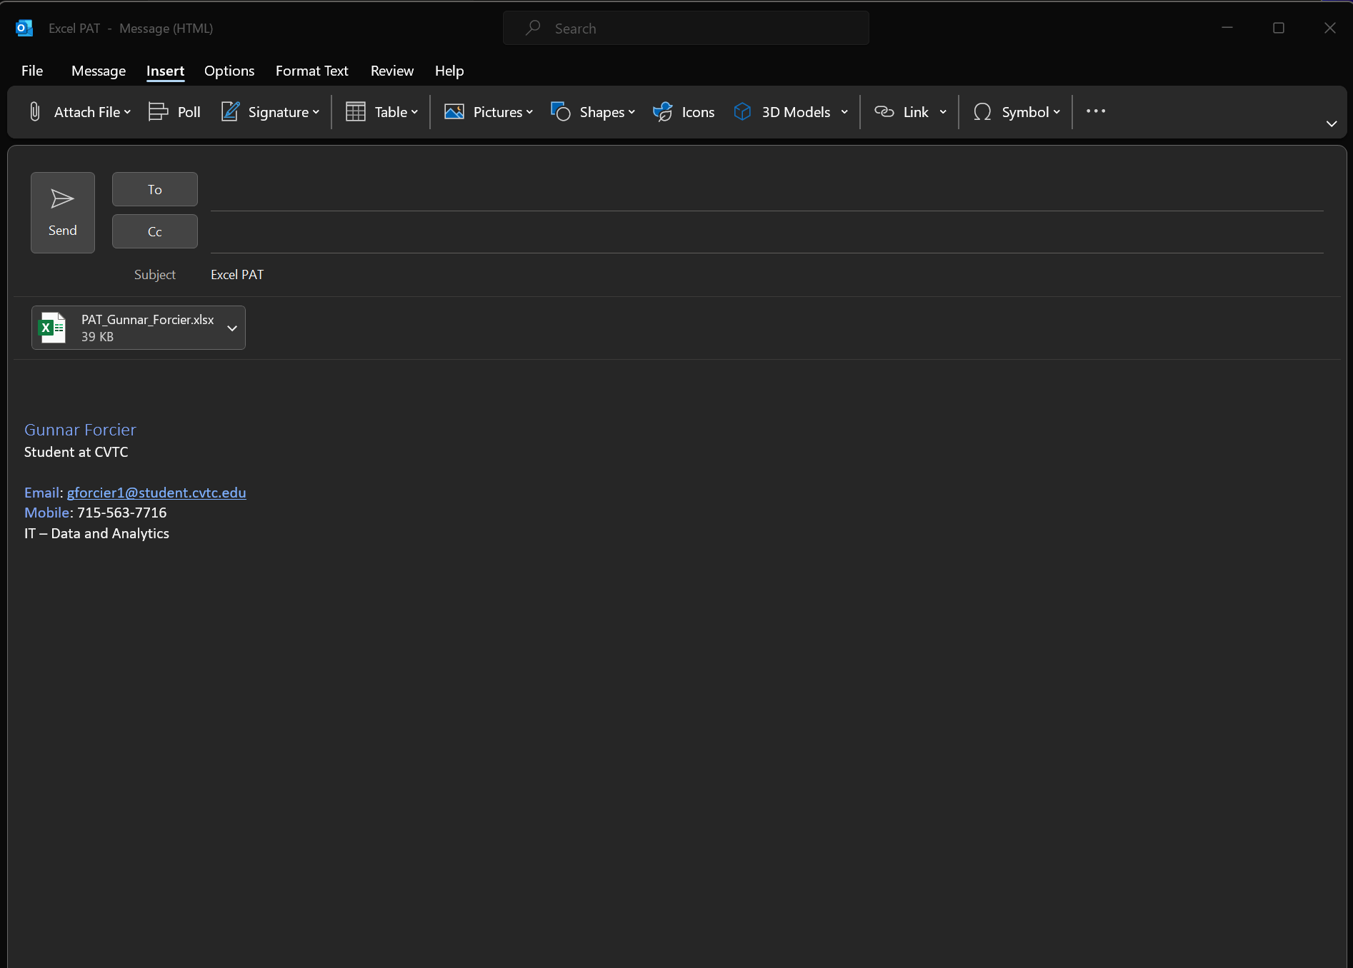

Contact
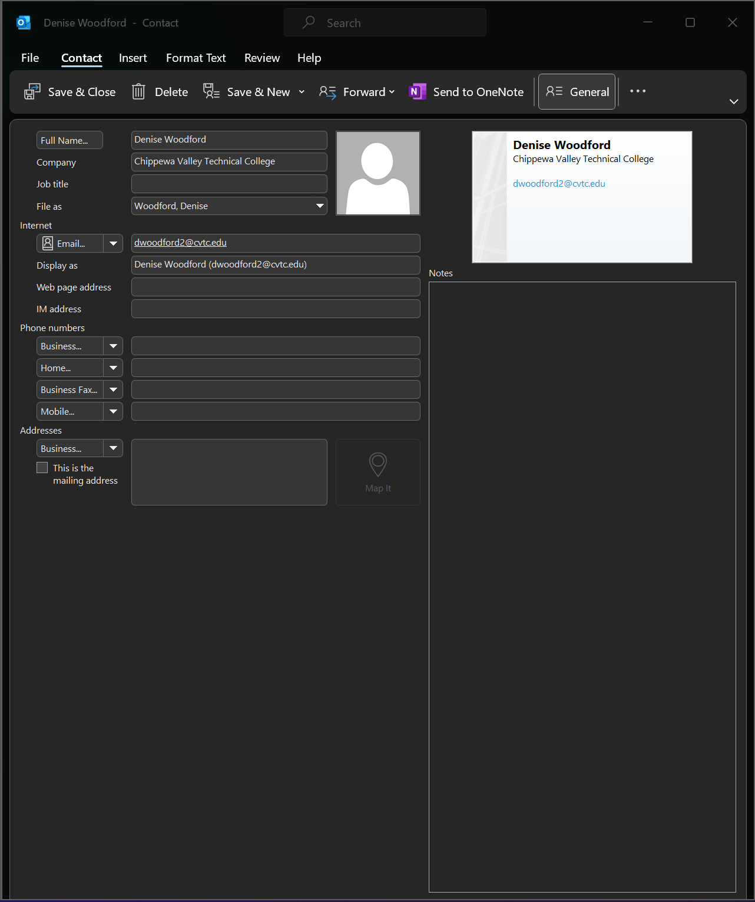

Meeting
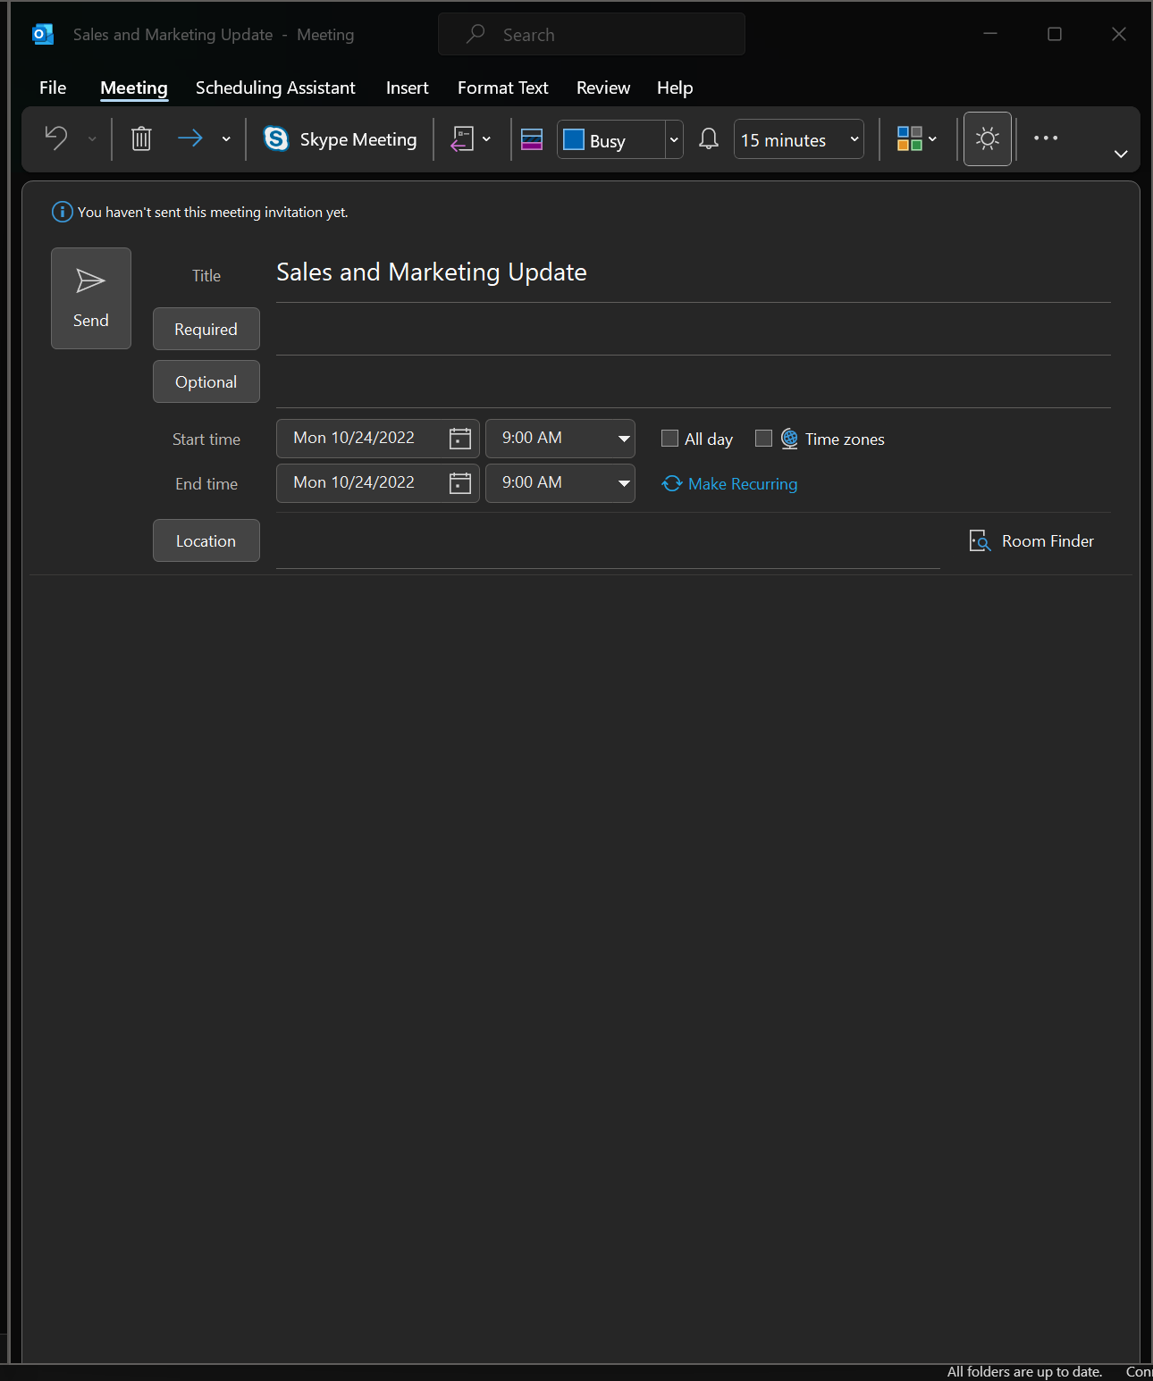

Folder
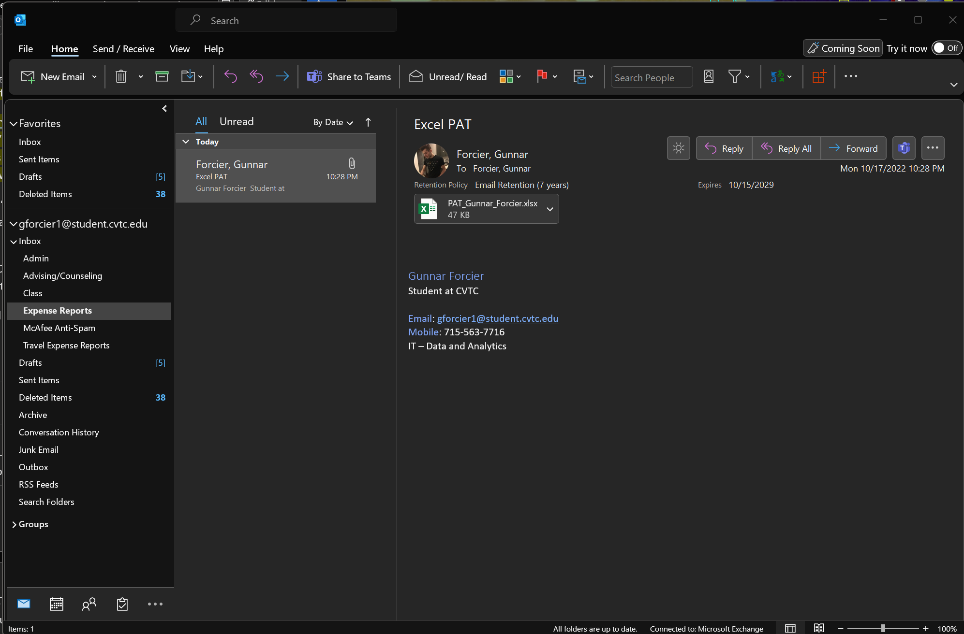

Sort and Filter
